Our City, our World Audit
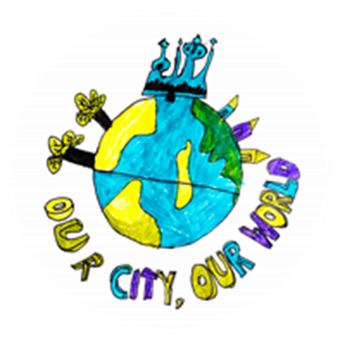
Our City, Our World Audit

The audit will involve as many representatives of the community as possible. Wherever possible, data collection for the audit, or data collection to show impact post-audit, will involve a significant number of pupils from the school
_______________ School

Summer Term 2022

